Sheet1
Observation Number | Years | Salary | Used Credit | data | normalized
1 | 4 | 43 | 0 | 4 | 0.17647058824 | θ & ⍵ values are randomized between -0.05 and 0.05
2 | 18 | 65 | 1 | 43 | 0
3 | 1 | 53 | 0
4 | 3 | 95 | 0
5 | 15 | 88 | 1
6 | 6 | 112 | 1 |  |  | Hidden Layer
 |  |  |  |  | Input Layer | node 3 | 0.50942981327 |  | Output Layer
 |  |  |  | node 1 | 0.17647058824 | node 4 | 0.50773591981 | node 6 | 0.49407277542
 |  |  |  | node 2 | 0 | node 5 | 0.50692940952 | node 7 | 0.4851086084

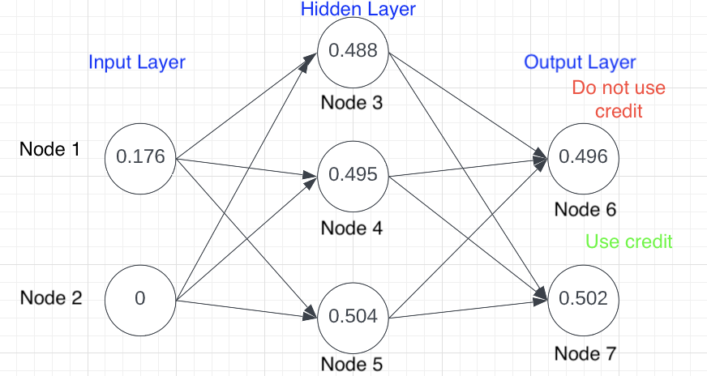
Hidden Layer
bias & weights | value | formula
θ3 | 0.033902358401 | =RAND()*(0.1)-0.05
⍵1,3 | 0.021654416974 | =RAND()*(0.1)-0.05
⍵2,3 | 0.042187088991 | =RAND()*(0.1)-0.05
This is just one snapshot of the scenario, given that the values for the output layer would change each time. Values greater than 0.5 are classified as "Use credit" and values less than 0.5 are classified as "Do not use credit".
node 3 | 0.50942981327 | =1/(1+EXP(-1*(B17+B18*G4+B19*G5)))
θ4 | 0.036994330123 | =RAND()*(0.1)-0.05
⍵1,4 | -0.034273028164 | =RAND()*(0.1)-0.05
⍵2,4 | -0.021070650308 | =RAND()*(0.1)-0.05
node 4 | 0.50773591981 | =1/(1+EXP(-1*(B21+B22*G4+B23*G5)))
θ5 | 0.022859257395 | =RAND()*(0.1)-0.05
⍵1,5 | 0.027540880781 | =RAND()*(0.1)-0.05
⍵2,5 | -0.02394729888 | =RAND()*(0.1)-0.05
node 5 | 0.50692940952 | =1/(1+EXP(-1*(B25+B26*G4+B27*G5)))

Outer Layer
bias & weights | value | formula
θ6 | -0.031457544027 | =RAND()*(0.1)-0.05
⍵3,6 | -0.037043128162 | =RAND()*(0.1)-0.05
⍵4,6 | 0.044231666919 | =RAND()*(0.1)-0.05
⍵5,6 | 0.0082070653291 | =RAND()*(0.1)-0.05
node 6 | 0.49407277542 | =1/(1+EXP(-1*(B33+B34*$J$10+B35*$J$11+B36*$J$12)))
θ7 | -0.041185904687 | =RAND()*(0.1)-0.05
⍵3,7 | 0.030856426295 | =RAND()*(0.1)-0.05
⍵4,7 | -0.0178434456 | =RAND()*(0.1)-0.05
⍵5,7 | -0.049428397084 | =RAND()*(0.1)-0.05
node 7 | 0.4851086084 | =1/(1+EXP(-1*(B38+B39*$J$10+B40*$J$11+B41*$J$12)))

